Question 1
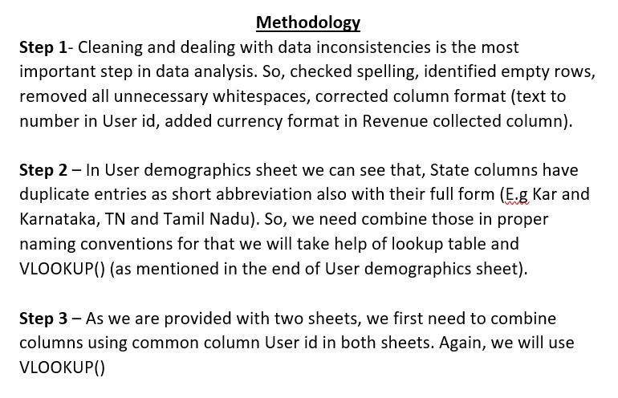
Revenue collected by each states
Row Labels | Sum of Revenue collected
Andhra Pradesh | ₹ 39,130.00
Assam | ₹ 17,208.00 | Top-5 States
Bihar | ₹ 39,235.00 | Karnataka | 92548
Chhattisgarh | ₹ 75,237.00 | Chhattisgarh | 75237
Delhi | ₹ 37,917.00 | West Bengal | 70240
Gujarat | ₹ 11,686.00 | Tamil Nadu | 65697
Haryana | ₹ 34,359.00 | Uttarakhand | 59825
Himachal Pradesh | ₹ 16,050.00
Jammu & Kashmir | ₹ 28,741.00
Jammu and Kashmir | ₹ 3,814.00
Jharkhand | ₹ 21,795.00
Karnataka | ₹ 92,548.00
Madhya Pradesh | ₹ 43,943.00
Maharashtra | ₹ 6,257.00
Odisha | ₹ 1,422.00
Orissa | ₹ 20,600.00
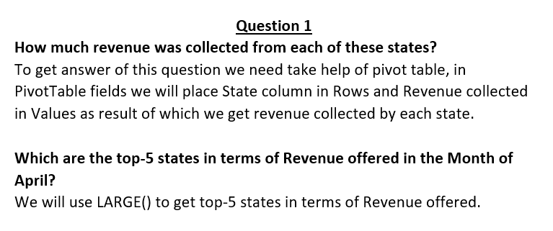
Punjab | ₹ 8,208.00
Rajasthan | ₹ 34,506.00
Tamil Nadu | ₹ 65,697.00
Telangana | ₹ 51,723.00
Uttar Pradesh | ₹ 17,636.00
Uttarakhand | ₹ 59,825.00
West Bengal | ₹ 70,240.00
Grand Total | ₹ 797,777.00

